Sheet1
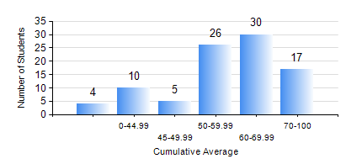
 |  |  | KWAME NKRUMAH UNIVERSITY OF SCIENCE AND TECHNOLOGY, KUMASI Department of Petroleum Engineering

 |  |  | BSC. PETROLEUM ENG.

 |  |  | COMPREHENSIVE RECORD OF EXAMINATION RESULTS

 |  |  | RESULTS OF YEAR 1 SECOND SEMESTER, 2023/2024 ACADEMIC YEAR

 | Sn | Course Code |  | Course Name | Credit Hours | Min. Mark | Max. Mark | Avg. Mark | Std. Dev. | No. Passed | No. Trailed | No. (Df) | No. (I) | No. (I*) | No. Tagged(I,I*,Df) | Total
 | 0. |  |  |  |  |  |  | 0 | 0 | 0 | 0 | 0 | 0 | 0 | 0 | 6
 | 1. | EE 152 |  | BASIC ELECTRONICS | 2 | 0 | 82 | 52 | 15.49 | 76 | 10 | 0 | 0 | 0 | 0 | 86
 | 2. | ENGL 158 |  | COMMUNICATION SKILLS II | 2 | 0 | 92 | 74 | 17.76 | 82 | 4 | 0 | 0 | 0 | 0 | 86
 | 3. | MATH 152 |  | CALCULUS WITH ANALYSIS | 4 | 0 | 95 | 50 | 17.38 | 79 | 7 | 0 | 0 | 0 | 0 | 86
 | 4. | ME 162 |  | BASIC MECHANICS | 3 | 0 | 88 | 57 | 16.38 | 82 | 4 | 0 | 0 | 0 | 0 | 86
 | 5. | PE 154 |  | INTRODUCTION TO PETROLEUM ENGINEERING | 2 | 0 | 84 | 59 | 16.35 | 81 | 5 | 0 | 0 | 0 | 0 | 86
 | 6. | PE 156 |  | PHYSICAL CHEMISTRY FOR ENGINEERS | 2 | 0 | 88 | 45 | 21.84 | 68 | 18 | 0 | 0 | 0 | 0 | 86
 | 7. | PHY 170 |  | GENERAL PHYSICS | 3 | 1 | 82 | 59 | 15.9 | 80 | 6 | 0 | 0 | 0 | 0 | 86

